PMR
 |  | ANNEX B

 |  | BENGUET PROVINCIAL GOVERNMENT Procurement Monitoring Report as of June 30, 2021

Code (PAP) | Procurement Project | PMO/ End-User | Is this an Early Procurement Activity? | Mode of Procurement | Actual Procurement Activity |  |  |  |  |  |  |  |  |  |  |  |  | Source of Funds | ABC (PhP) |  |  | Contract Cost (PhP) |  |  | List of Invited Observers | Date of Receipt of Invitation |  |  |  |  |  | Remarks (Explaining changes from the APP)
 |  |  |  |  | Pre-Proc Conference | Ads/Post of IB | Pre-bid Conf | Eligibility Check | Sub/Open of Bids | Bid Evaluation | Post Qual | Date of BAC Resolution Recommending Award | Notice of Award | Contract Signing | Notice to Proceed | Delivery/ Completion | Inspection & Acceptance |  | Total | MOOE | CO | Total | MOOE | CO |  | Pre-bid Conf | Eligibility Check | Sub/Open of Bids | Bid Evaluation | Post Qual | Delivery/ Completion/ Acceptance (If applicable)
COMPLETED PROCUREMENT ACTIVITIES

 |  |  |  |  |  |  |  |  |  |  |  |  |  |  |  |  |  |  | 0.00 | 0.00 | 0.00 | 0.00 | 0.00 | 0.00
Total Alloted Budget of Procurement Activities |  |  |  |  |  |  |  |  |  |  |  |  |  |  |  |  |  |  | 0.00
Total Contract Price of Procurement Actitvites Conducted |  |  |  |  |  |  |  |  |  |  |  |  |  |  |  |  |  |  |  |  |  | 0.00
Total Savings (Total Alloted Budget - Total Contract Price) |  |  |  |  |  |  |  |  |  |  |  |  |  |  |  |  |  |  | 0.00

0N-GOING PROCUREMENT ACTIVITIES

 |  |  |  |  |  |  |  |  |  |  |  |  |  |  |  |  |  |  | 0
Total Alloted Budget of On-going Procurement Activities |  |  |  |  |  |  |  |  |  |  |  |  |  |  |  |  |  |  | 0

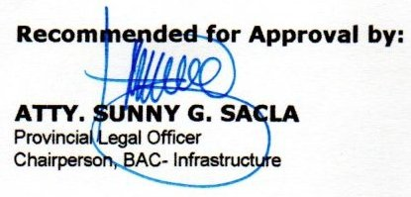
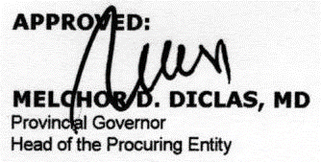

 |  | Prepared by: |  |  |  |  |  |  |  |  |  |  | Recommended for Approval by: |  |  |  |  |  |  |  |  |  |  | APPROVED:

 |  | BAC Secretariat |  |  |  |  |  |  |  |  |  |  | BAC Chairperson |  |  |  |  |  |  |  |  |  |  | Head of the Procuring Entity

